UX
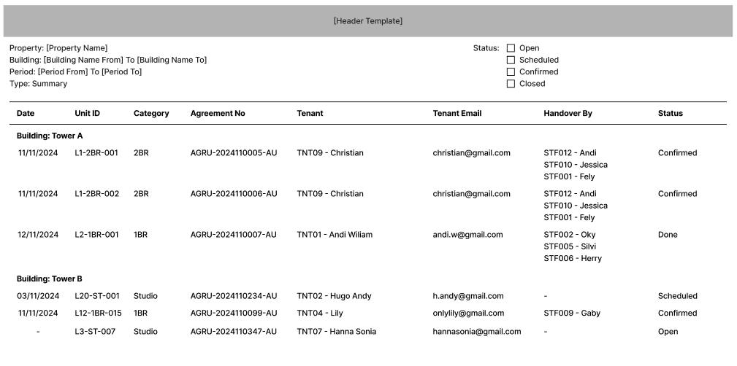
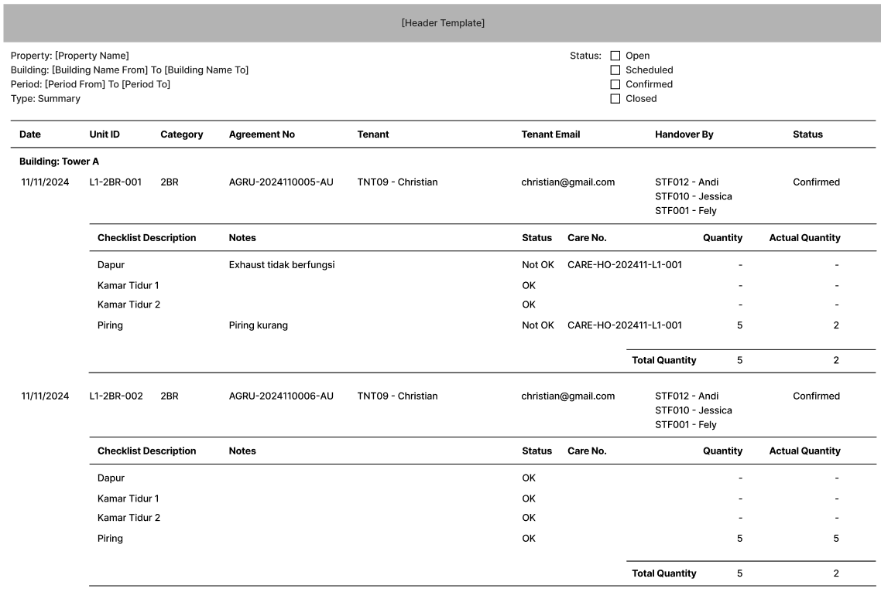
Property
Building

 | From
 | To
Report Type
Period
 | From
 | To
Status

CR01
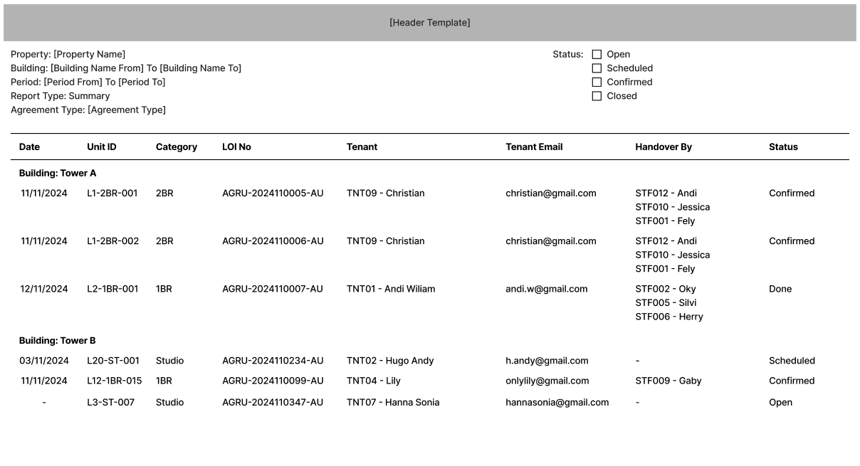
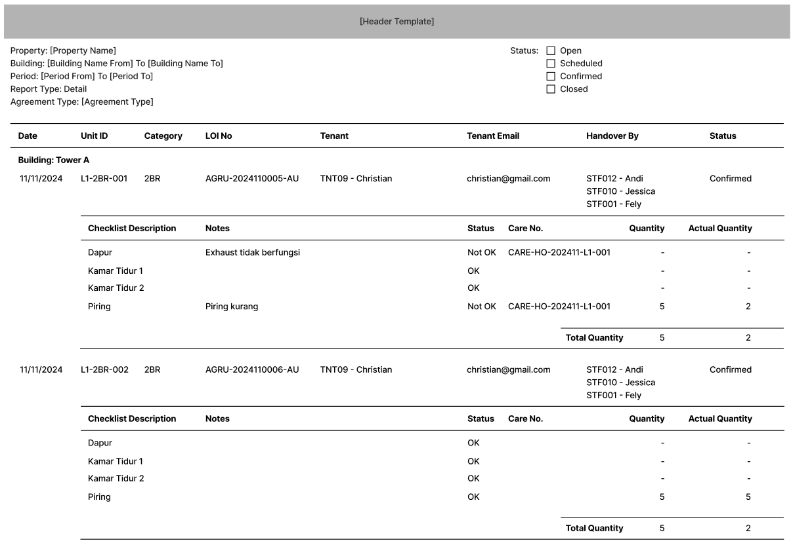
Property
Building

 | From
 | To
Type
Period
 | From | Report
 | To | Agreement
Status

CR02
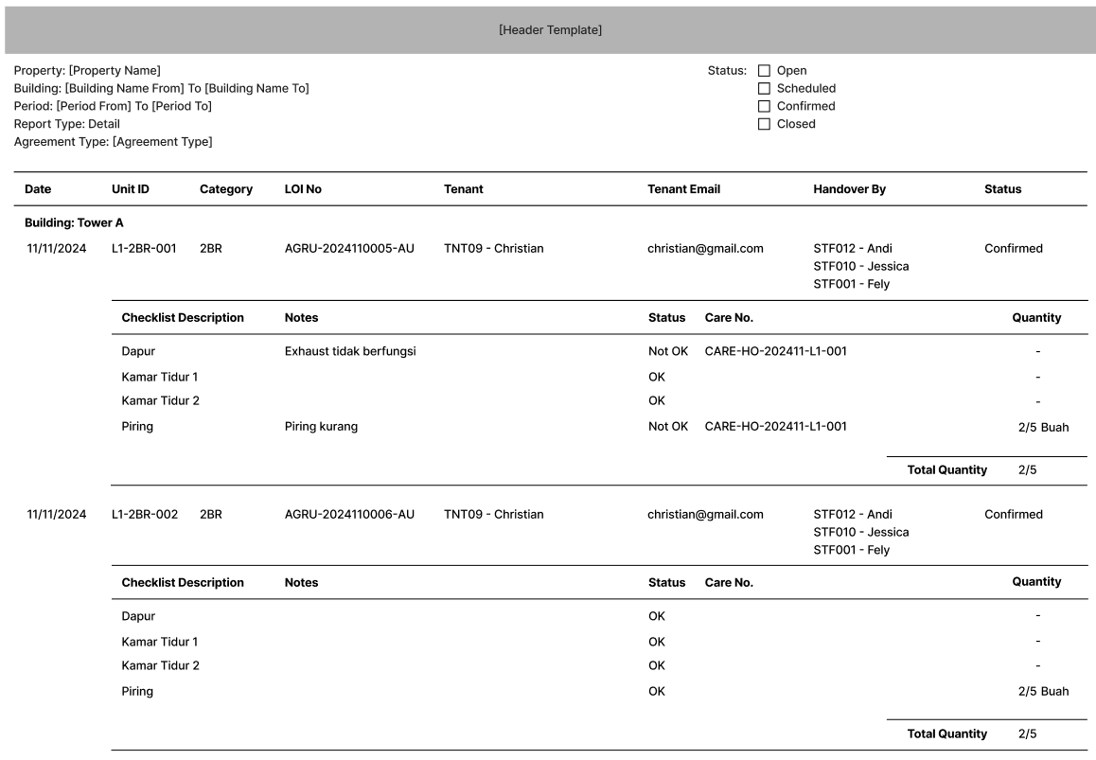
Property
Building

 | From
 | To
Type
Period
 | From | Report
 | To | Agreement
Status

